PRICELIST
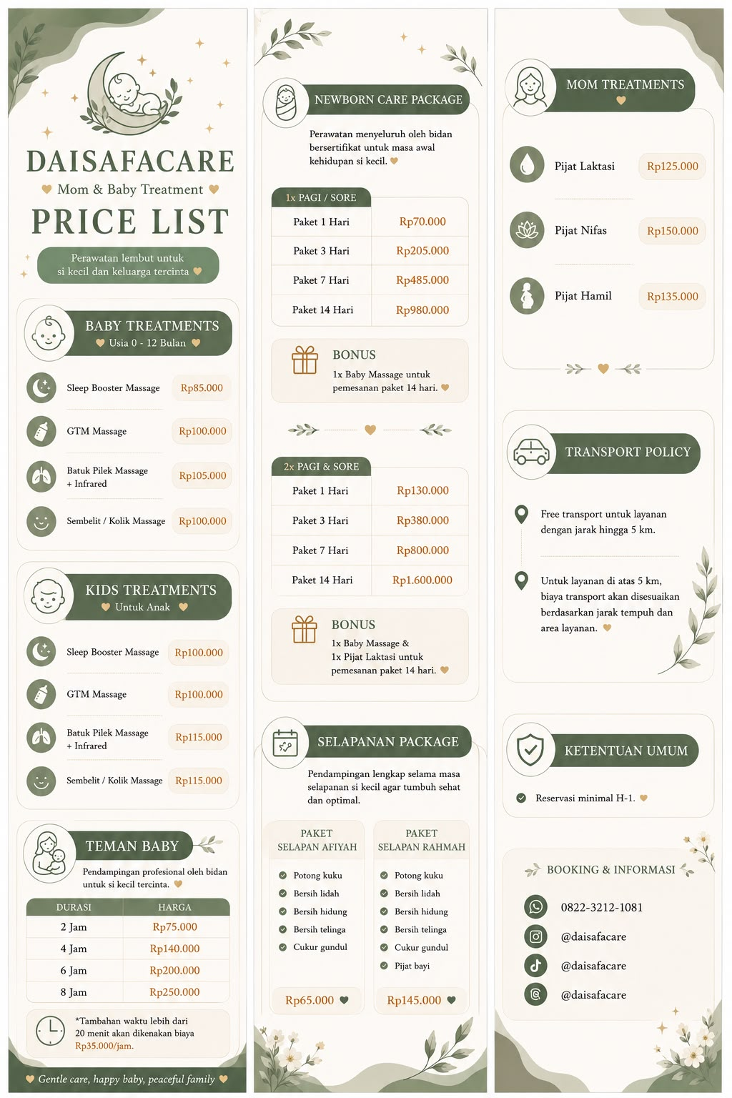
 |  | Treatment | Price
Baby | Sleep Booster | Baby - Sleep Booster | Rp 85K | Rp85,000 | 85K
Baby | GTM | Baby - GTM | Rp 100K | Rp100,000 | 100K
Baby | Bapil | Baby - Bapil | Rp 105K | Rp105,000 | 105K
Baby | Kolik | Baby - Kolik | Rp 100K | Rp100,000 | 100K
Kids | Sleep Booster | Kids - Sleep Booster | Rp 100K | Rp100,000 | 100K
Kids | GTM | Kids - GTM | Rp 100K | Rp100,000 | 100K
Kids | Bapil | Kids - Bapil | Rp 115K | Rp115,000 | 115K
Kids | Kolik | Kids - Kolik | Rp 115K | Rp115,000 | 115K
Jaga | 2 Jam | Jaga - 2 Jam | Rp 75K | Rp75,000 | 75K
Jaga | 4 Jam | Jaga - 4 Jam | Rp 140K | Rp140,000 | 140K
Jaga | 6 Jam | Jaga - 6 Jam | Rp 200K | Rp200,000 | 200K
Jaga | 8 Jam | Jaga - 8 Jam | Rp 250K | Rp250,000 | 250K
NB 1x | 1 Hari | NB 1x - 1 Hari | Rp 70K | Rp70,000 | 70K
NB 1x | 3 Hari | NB 1x - 3 Hari | Rp 205K | Rp205,000 | 205K
NB 1x | 7 Hari | NB 1x - 7 Hari | Rp 485K | Rp485,000 | 485K
NB 1x | 14 Hari | NB 1x - 14 Hari | Rp 980K | Rp980,000 | 980K
NB 2x | 1 Hari | NB 2x - 1 Hari | Rp 130K | Rp130,000 | 130K
NB 2x | 3 Hari | NB 2x - 3 Hari | Rp 380K | Rp380,000 | 380K
NB 2x | 7 Hari | NB 2x - 7 Hari | Rp 800K | Rp800,000 | 800K
NB 2x | 14 Hari | NB 2x - 14 Hari | Rp 1600K | Rp1,600,000 | 1600K
Mom | Laktasi | Mom - Laktasi | Rp 125K | Rp125,000 | 125K
Mom | Nifas | Mom - Nifas | Rp 150K | Rp150,000 | 150K
Mom | Hamil | Mom - Hamil | Rp 135K | Rp135,000 | 135K
Selapan | Afiyah | Selapan - Afiyah | Rp 65K | Rp65,000 | 65K
Selapan | Rahmah | Selapan - Rahmah | Rp 145K | Rp145,000 | 145K
Baby | Cukur | Baby - Cukur | Rp 30K | Rp30,000 | 30K
UPDATE DI KUNING |  |  | Masukkan nomor aja, auto Rp

